Sheet1
GSTR-3B is a monthly return to be filed by regular dealers for the period July 2017 to June 2018.
GSTR-3B is divided into 6 sections.
This article contains in detail each section and the details to be provided in it.
1. Provide GSTIN (you can use your provisional id as your GSTIN if you do not have a GSTIN)
2. Legal Name of the Registered Person [this field is auto-populated after entering GSTIN]
3. 1. Outward supplies and inward supplies on reverse charge i.e. Details where tax is payable by you

These details are further broken down into the following. For each of these you must provide, the total taxable value (total which has been invoiced). And then further break this up into IGST, CGST, SGST/UTGST and cess if any. Do note that you do not have to provide invoice level detail here. Only the consolidated values for the month must be provided. You do not have to provide GST rate, only the total tax values.
(a) Outward taxable supplies – Do not include supplies which are zero-rated, or have a nil rate of tax or are exempt from GST. These must be provided separately. Include only those supplies on which GST has been charged by you.
Value of Taxable Supplies = Value of invoices + value of debit notes – value of credit notes + value of advances received for which invoices have not been issued in the same month – value of advances adjusted against invoices
Details of advances as well as adjustment of advances against invoices are not required to be shown separately.
(b) Outward taxable supplies (zero-rated) – here include only those supplies on which GST rate is zero. Zero-rated supplies are exports or supplies made to SEZ.
(c) Other outward supplies (nil rated, exempt) – include supplies which are exempt from GST or are nil rated. Nil rated supplies are those for which the GST rate is nil. Or which have been kept exempt from GST. For e.g. salt, puja samagri, curd, lassi, fresh milk. These goods are exempt from GST.
(d) Inward supplies (liable to reverse charge) – provide details of purchases made by from unregistered dealers on which reverse charge applies. In such cases, you have to prepare an invoice for yourself and pay the applicable GST rate of tax.
(e) Non-GST outward supplies – details of any supplies made by you kept wholly out of GST. For eg, alcohol and petroleum products.

3.2 Of the supplied shown in 3.1(a) above, details of inter-state supplies made to unregistered persons, composition taxable persons, and UIN holders.

Under this head further, break up of ‘Outward taxable supplies’ in the above table must be provided. Here you must mention the inter-state supplies which are made to
unregistered persons
composition dealers
those who hold a UIN
UIN holders mean those who have a Unique Identification Number instead of a GSTIN. These are specialized agencies of the UNO (United Nations Organisation) or an embassy. Or any Multilateral Financial Institution and Organisation notified under the United Nations (Privileges and Immunities) Act, 1947. Any other persons may also be notified by the Commissioner.

4. Eligible ITC
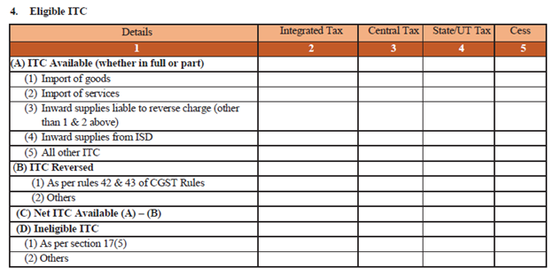

This is the detail required for input tax credit. It must be provided separately for IGST, CGST, SGST, UTGST, and Cess. Only total values have to be reported and invoice level information is not required.
(A) ITC Available (whether in full or part) – This information must be broken down into ITC on:
import of goods,
import of services,
inward supplies on reverse charge (other than on import of goods and services reported above)
inward supplies from your Input Service Distributor (ISD) basically your head office registered as an ISD under GST
all other ITC
Our experts can help you calculate the amount of credit to be reported here.

(B) ITC Reversed
(1) As per rules 42 & 43 of CGST Rules – These rules require that input credit must be reversed for goods and services, where they have been used partly for business and partly for other purposes, to the extent not used for business. Similarly, input credit reversal is also required where supplies include taxable, exempt and nil rated supplies. In the same manner, input credit related to capital goods used for business and other purposes, for taxable, exempt, nil rated supplies must also be reversed to the extent not used for business. Details formulae have been prescribed on how to go about doing this.
(2) Others – Any other ITC which has been reversed in the books by you.
(C) Net ITC available (A) – (B) – This will be auto-populated by ClearTax.
(D) Ineligible ITC

(2) Others
5. Provide values of exempt, nil rated, and non-GST inward supplies: Here you have to report any purchases made by you of goods or services, which are from a composition dealer, are exempt, nil rated or not covered by GST at all. This information must be broken down into inter-state and intra-state.

6. Payment of Tax

Under this section, you have to report the final tax payable by you on taxable supplies made by you, which will match with 3.1.(a) above. The amount is separately reported under IGST, CGST, SGST, and UTGST. And also report the credit which has been availed against these. This amount is under 4(C). The balance tax must be deposited by you and appears under column 8. If any interest or late fee has been deposited that must also be reported.
6.2 Do note that for now no TDS or TCS have to reported or collected: This section is not applicable for now.

